simple
 | Instructions: | Find the appropriate region number from the map.
 |  | Enter Location & date, drainage area (DA), streamflow (Q), and Region # below.
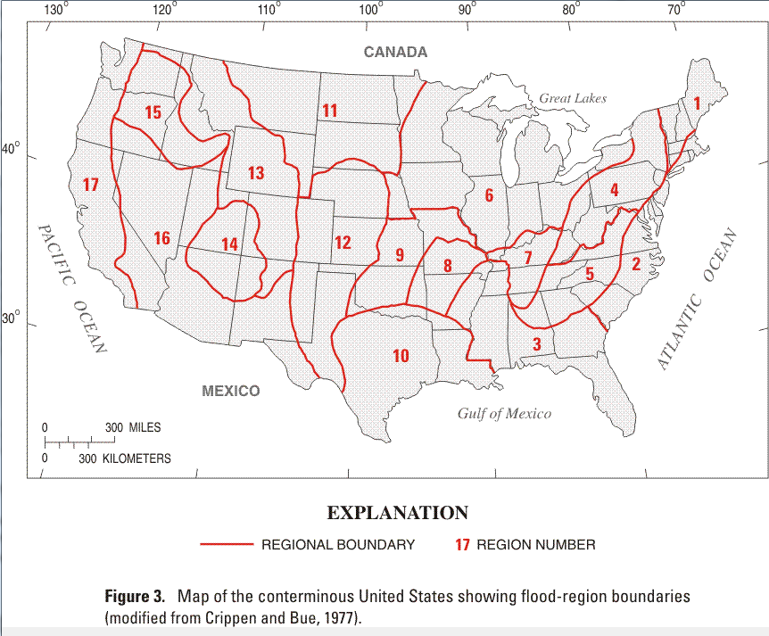

 | Location & date: | Rock Creek, July 6, 2015
 | DA = | 9.5 | mi2
 | Q = | 12900 | cfs
 | Region = | 9

Crippen & Bue envelope curve comparison
 |  | Crippen & Bue envelope curve comparison
 |  | Region 9 envelope curve
 |  | 0.1 | 1080 |  |  |  |  |  |  |  |  |  |  |  |  |  |  |  | Map courtesy of USGS NSS program.
 |  | 0.2 | 1882
 |  | 0.5 | 3843
 |  | 2 | 10628
 |  | 10 | 29971
 |  | 50 | 68811
 |  | 100 | 92081
 |  | 200 | 118815
 |  | 500 | 158671
 |  | 1000 | 191800
 |  | 5000 | 278484
 |  | 10000 | 320682

Crippen and Bue Maximum Discharge Envelope values
Region |  | 1 | 2 | 3 | 4 | 5 | 6 | 7 | 8 | 9 | 10 | 11 | 12 | 13 | 14 | 15 | 16 | 17
Crippen & Bue Constants | k1 | 23200 | 28000 | 54400 | 42600 | 121000 | 70500 | 49100 | 43800 | 75000 | 62500 | 40800 | 89900 | 64500 | 10000 | 116000 | 98900 | 80500
 | k2 | 0.895 | 0.77 | 0.924 | 0.938 | 0.838 | 0.937 | 0.883 | 0.954 | 0.849 | 1.116 | 0.919 | 0.935 | 0.873 | 0.71 | 1.059 | 1.029 | 1.024 | Constants came from Crippen, J.R., 1982, Envelope curves for extreme flood events: American Society of Civil Engineers, v.108, no. HY10, p.1,208-212.
 | k3 | -1.082 | -0.897 | -1.373 | -1.327 | -1.354 | -1.297 | -1.352 | -1.357 | -1.368 | -1.371 | -1.352 | -1.304 | -1.338 | -0.844 | -1.572 | -1.341 | -1.461
Drainage Area | 0.1 | 485 | 1062 | 654 | 535 | 1829 | 933 | 672 | 504 | 1080 | 484 | 514 | 1182 | 924 | 476 | 733 | 984 | 663
 | 0.2 | 878 | 1773 | 1199 | 993 | 3164 | 1732 | 1198 | 946 | 1882 | 1015 | 940 | 2189 | 1638 | 763 | 1469 | 1944 | 1302
 | 0.5 | 1895 | 3442 | 2624 | 2204 | 6402 | 3846 | 2527 | 2127 | 3843 | 2648 | 2048 | 4852 | 3425 | 1406 | 3602 | 4689 | 3108
 | 2 | 5775 | 9015 | 8045 | 6929 | 17465 | 12117 | 7339 | 6813 | 10628 | 10598 | 6252 | 15230 | 9827 | 3408 | 13014 | 16695 | 10835
 | 10 | 18789 | 25076 | 25567 | 22774 | 48550 | 40047 | 21944 | 22811 | 29971 | 45897 | 19810 | 50091 | 29011 | 8718 | 48988 | 63308 | 39595
 | 50 | 51954 | 60959 | 66101 | 61315 | 110113 | 108918 | 53549 | 62282 | 68811 | 161755 | 51226 | 135425 | 70046 | 19646 | 145601 | 196253 | 116174
 | 100 | 76376 | 85547 | 93073 | 88051 | 146676 | 157325 | 73622 | 89850 | 92081 | 260291 | 72208 | 195046 | 95929 | 26753 | 215597 | 299266 | 171999
 | 200 | 109093 | 117221 | 126351 | 122060 | 188466 | 219540 | 97643 | 125025 | 118815 | 403851 | 98187 | 271336 | 126781 | 35623 | 306168 | 440359 | 244942
 | 500 | 168304 | 172291 | 180415 | 179463 | 250410 | 325965 | 135293 | 184548 | 158671 | 688065 | 140611 | 401128 | 174938 | 50505 | 460791 | 700244 | 371449
 | 1000 | 228302 | 226190 | 229387 | 233513 | 301624 | 427567 | 168225 | 240693 | 191800 | 999947 | 179254 | 524358 | 216900 | 64594 | 607073 | 966509 | 493350
 | 5000 | 439358 | 407156 | 374425 | 403090 | 434654 | 753108 | 261007 | 417134 | 278484 | 2226415 | 294709 | 915958 | 334540 | 109714 | 1065693 | 1911995 | 887345
 | 10000 | 573537 | 517787 | 453426 | 500370 | 498994 | 943423 | 309338 | 518466 | 320682 | 3081978 | 358107 | 1143217 | 395556 | 136181 | 1327848 | 2516410 | 1119021

This is an envelope curve of which all floods in the United States have fit under. It has drainage area plotted on the X-axis discharge on the Y-axis.
 | Crippen and Bue Nationwide, Curve on Figure 2
 | DA (mi2) | Q(cfs)
 | 0.1 | 1,850
 | 1.5 | 16,200
 | 15 | 97,500
 | 20 | 121,000
 | 25 | 140,000
 | 30 | 158,000
 | 40 | 193,000
 | 50 | 225,000
 | 60 | 248,000
 | 70 | 270,000
 | 80 | 290,000
 | 90 | 310,000
 | 100 | 330,000
 | 120 | 360,000
 | 140 | 395,000
 | 160 | 420,000
 | 180 | 450,000
 | 200 | 480,000
 | 250 | 540,000
 | 300 | 580,000
 | 400 | 650,000
 | 500 | 715,000
 | 600 | 760,000
 | 700 | 825,000
 | 800 | 860,000
 | 900 | 900,000
 | 1000 | 930,000

